Phased Loading
Phased Dynamic Loading Calculation
Guideline 000.215.1234 (26May2025)

Input Data: (3D VIEW coordinate system)

Title: | General Case |  |  |  |  |  | The purpose of this calculation is to determine Dyna 6 input based on loads, phasing, and location coordinates.
 |  |  |  |  |  |  | This capability is not fully implemented in Dyna 6.
Options:
Metric? | 1 | imperial | Enter 1 for imperial (ft, lb), or anything else for metric (m, N). |  |  |  | Step 1: Launch Dyna 6 to start a new design.
Quadratic? |  | non-quadratic | Enter 1 for quadratic loads (mass x eccentricity)
 |  |  |  |  |  |  | Step 2: Enter the 3D VIEW sub-program and add mass information. It is not necessary to enter force information.
Center of Gravity:
X coordinate, CGx | 0 | ft |  |  |  |  | Step 3: Execute the 3D VIEW calculation. From the result (see below example), enter the center of gravity coordinates
Y coordinate, CGy | -0.302 | ft |  |  |  |  | in the designated cells of this spreadsheet.
Z coordinate, CGz | 4.723 | ft

Point of Load Application:
X coordinate, Lx | 2 | ft
Y coordinate, Ly | 6 | ft
Z coordinate, Lz | 12.5 | ft

Forces: | Magnitude |  | Phase Angle
X force, Fx | 627 | lb | 0 | deg
Y force, Fy | 100 | lb | 0 | deg
Z force, Fz | 627 | lb | 90 | deg

Moments: | Magnitude |  | Phase Angle
X moment, Mx | 0 | lb-ft | 0 | deg
Y moment, My | 0 | lb-ft | 0 | deg
Z moment, Mz | 0 | lb-ft | 0 | deg

Calculation: (3D VIEW coordinate system)

Distances to CG: | CG | PoA |  | CG - PoA | PoA - CG
 | ft | ft |  | ft
X axis | 0.000 | 2.000 | Lx = | -2.000 | 2.000 |  | Step 4: From the design calculation, determine the forces, moments, and locations. Enter this input data into the
Y axis | -0.302 | 6.000 | Ly = | -6.302 | 6.302 |  | designated cells.
Z axis | 4.723 | 12.500 | Lz = | -7.777 | 7.777
 |  |  |  |  |  |  | Step 5: Use the result cells below to enter data into Dyna 6.
Phase Angles: (radians) |  |  | = (degrees) * 180 / pi

 | Force |  | Moment
X axis | 0.000 | rad | 0.000 | rad
Y axis | 0.000 | rad | 0.000 | rad
Z axis | 1.571 | rad | 0.000 | rad

Complex Loading: (at point of application) |  |  | = (mag x cos(phase)) + i (mag * sin(phase))

 | Force |  | Moment
X axis | 627 | lb | 0 | lb-ft
Y axis | 100 | lb | 0 | lb-ft
Z axis | 3.84084040613852E-14+627i | lb | 0 | lb-ft

Complex Loading: (at center of gravity)

X force | 627 | lb | = Fx
Y force | 100 | lb | = Fy
Z force | 3.84084040613852E-14+627i | lb | = Fz | Re-verfiy below equations
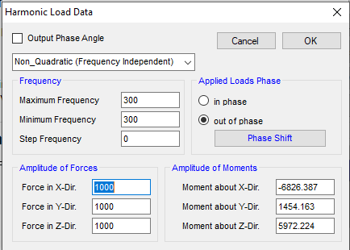
X moment | -777.7+3951.354i | lb-ft | = Mx + Fy Lz - Fz Ly |  | -777.7+3951.354i | = Mx - Fy Lz + Fz Ly
Y moment | 4876.179-1254i | lb-ft | = My - Fx Lz + Fz Lx |  | 4876.179-1254i | = My + Fx Lz - Fz Lx
Z moment | -3751.354 | lb-ft | = Mz + Fx Ly - Fy Lx |  | -3751.354 | = Mz - Fx Ly + Fy Lx

For Dyna 6 Coordinates, reverse the sign of Z force and Z moment |  |  |  | HOLD for confirmation of DYNA coordinates.

 | Force |  | Moment
X force | 627 | lb | -777.7+3951.354i | lb-ft
Y force | 100 | lb | 4876.179-1254i | lb-ft
Z force | -3.84084040613852E-14-627i | lb | 3751.354 | lb-ft

Results: (DYNA 6 coordinate system)

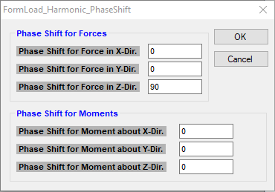
 | magnitude |  | phase
X force | 627.0 | lb | 0 | deg
Y force | 100.0 | lb | 0 | deg
Z force | 627.0 | lb | -90 | deg

X moment | 4,027.2 | lb-ft | 101 | deg
Y moment | 5,034.8 | lb-ft | -14 | deg
Z moment | 3,751.4 | lb-ft | 0 | deg

